signedcert
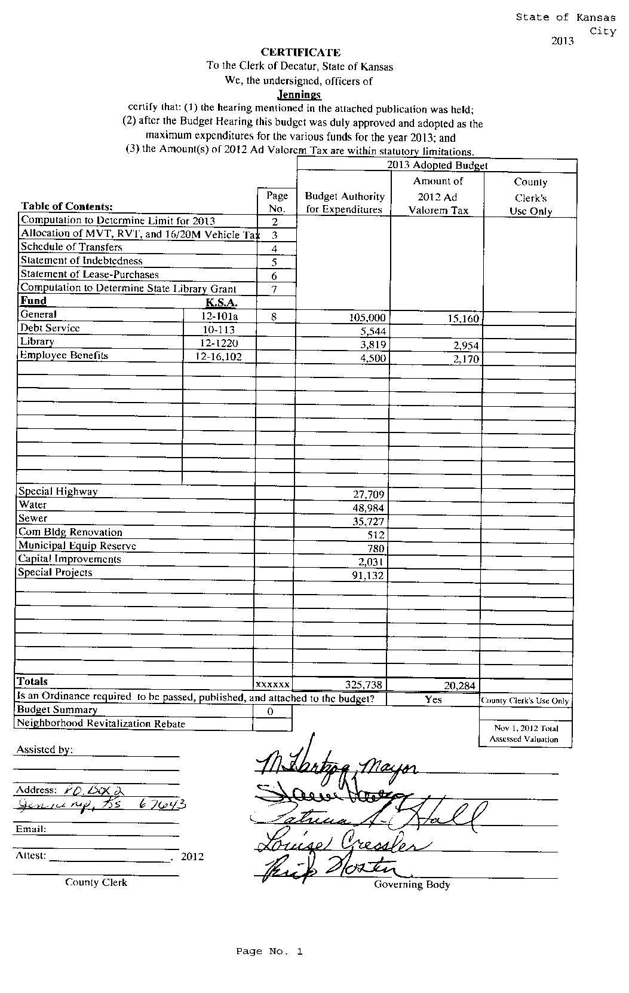

signedresol


pubresol


